Straight Line Depreciation
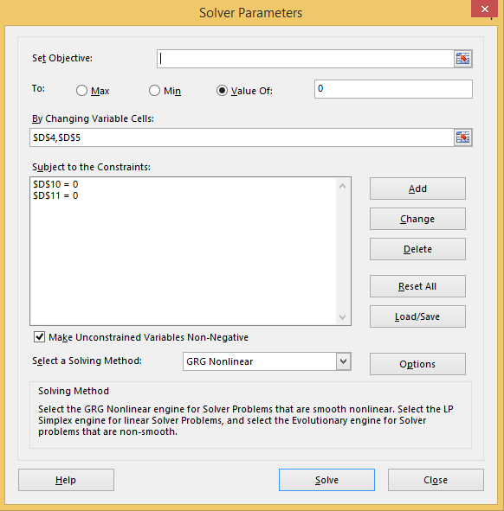
Historic Data
 |  | Life | 10 | Find from financial report
 |  | Base Retirements | 0.88% | set these two variables
 |  | Historic Growth | 42.71%

 |  | Plant in Service | 112,364 | given from financial report
 |  | Accum Depreciation | 23,007

 |  | Closing Plant | 0 | target these tow variables to be zero
 |  | Closing Acc Depreciation | 0

 |  |  | 0 | 1 | 2 | 3 | 4 | 5 | 6 | 7 | 8 | 9 | 10 | 11 | 12 | 13 | 14 | 15
 |  |  |  | TRUE | TRUE | TRUE | TRUE | TRUE | TRUE | TRUE | TRUE | TRUE | TRUE | FALSE | FALSE | FALSE | FALSE | FALSE

Gross Plant and Depreciation
 | Opening Balance |  |  | 112,364 | 110,954 | 108,942 | 106,071 | 101,973 | 96,125 | 87,780 | 75,870 | 58,873 | 34,616 | 0 | 0 | 0 | 0 | 0
 | Less: Retirements |  | 988 | 1,410 | 2,012 | 2,871 | 4,098 | 5,848 | 8,346 | 11,910 | 16,997 | 24,256 | 34,616 | - | - | - | - | -
 | Closing Balance |  | 112,364 | 110,954 | 108,942 | 106,071 | 101,973 | 96,125 | 87,780 | 75,870 | 58,873 | 34,616 | 0 | 0 | 0 | 0 | 0 | 0

 | Straight Line Rate |  | 10.00% | 10.00% | 10.00% | 10.00% | 10.00% | 10.00% | 10.00% | 10.00% | 10.00% | 10.00% | 10.00% | 10.00% | 10.00% | 10.00% | 10.00% | 10.00%
 | Straight Line Depreciation |  |  | 11,236 | 11,095 | 10,894 | 10,607 | 10,197 | 9,613 | 8,778 | 7,587 | 5,887 | 3,462 | 0 | 0 | 0 | 0 | 0

Accumulated Depreciation
 | Opening Balance |  |  | 23,007 | 32,834 | 41,917 | 49,940 | 56,450 | 60,799 | 62,066 | 58,934 | 49,524 | 31,155 | 0 | 0 | 0 | 0 | 0
 | Add: Depreciation Expense |  |  | 11,236 | 11,095 | 10,894 | 10,607 | 10,197 | 9,613 | 8,778 | 7,587 | 5,887 | 3,462 | 0 | 0 | 0 | 0 | 0
 | Less: Retirements |  |  | 1,410 | 2,012 | 2,871 | 4,098 | 5,848 | 8,346 | 11,910 | 16,997 | 24,256 | 34,616 | - | - | - | - | -
 | Closing Balance |  | 23,007 | 32,834 | 41,917 | 49,940 | 56,450 | 60,799 | 62,066 | 58,934 | 49,524 | 31,155 | 0 | 0 | 0 | 0 | 0 | 0

