Heat Rate BTU to kJ
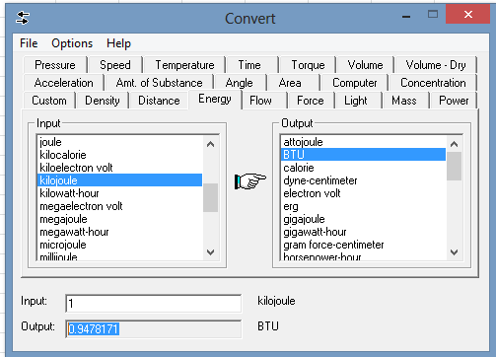
 |  |  |  |  | Ratio
Conversion | 0.9478171 | btu | 1 | kJ | 1.0550558752

Heat Rate | 6,500.00 | btu/kwh | 6,857.86 | kj/kWh | 1.0550558752

Conversion | 1 | btu | 3412.12 | kWh | 3412.12

Heat Rate | 6,500.00 | btu/kWh | 1.9049740337 | kwh in/kwh out | 0.00029307292827
Efficiency |  |  | 0.52494153846 | kwh out/kwh in

Low Heating Value |  | From Suppliers
High Heating Value |  | From Gas

LOW Heating Value should be used in Analysis

 | 0.9478171 | BTU/kJ
 | 1.0550558752 | kJ/BTU

Conversion from BTU to M3

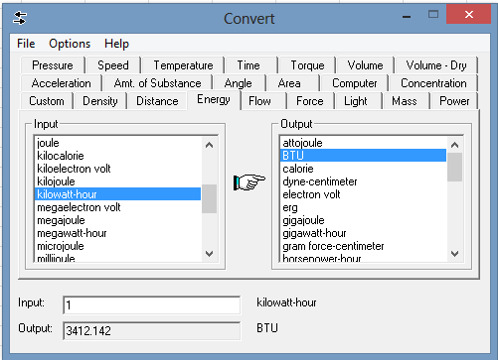
BTU/kWh |  | 7000
MMBTU/MWH |  | 7

/ = |  | 0
MMBTU/cubic meters |  | 0.00

Cubic Meters/MMBTU |  | #DIV/0!

Cubic Meters/MWH |  | #DIV/0!

