Basic Demonstration
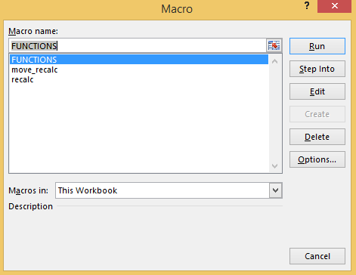
 |  |  | Instructions at www.edbodmer.com |  |  |  | Questions: e-mail edwardbodmer@gmail.com
 |  | ROIC |  |  |  |  |  |  |  |  |  |  |  |  |  | It is a good idea to use "This Worksheet"
 | 2010 | 30% |  |  | Step 1: ALT, F8 -- Goto Developer Tab and Open the FUNCTIONS Macro
 | 2014 | 6% |  |  | Step 2: Select (CNTL A) Entire Macro Module (Functions)
 | 2018 | 10% |  |  | Step 3: Copy (CNTL C) Entire Macro Module (Functions)
 | 2022 | 8% |  |  | Step 4: Open a Macro in Your Model (F8 and type test or something)
 | 2026 | 9% |  |  | Step 5: Copy to your New Model with CNTL V
 | 2030 | 12% |  |  | Note: If numbers go to zero or negative, use interpolate_linear

 |  | Year | 2010 | 2011 | 2012 | 2013 | 2014 | 2015 | 2016 | 2017 | 2018 | 2019 | 2020 | 2021 | 2022 | 2023 | 2024 | 2025 | 2026 | 2027 | 2028 | 2029 | 2030 | 2030

 |  | ROIC | 30.00% | 30.00% | 30.00% | 30.00% | 6.00% | 6.00% | 6.00% | 6.00% | 10.00% | 10.00% | 10.00% | 10.00% | 8.00% | 8.00% | 8.00% | 8.00% | 9.00% | 9.00% | 9.00% | 9.00% | 12.00% | 12.00%

 |  | Basic | 30.00% | 30.00% | 30.00% | 30.00% | 6.00% | 6.00% | 6.00% | 6.00% | 10.00% | 10.00% | 10.00% | 10.00% | 8.00% | 8.00% | 8.00% | 8.00% | 12.00% | 12.00% | 12.00% | 12.00% | 12.00% | 12.00%

 |  | Long | 30.00% | 30.00% | 30.00% | 30.00% | 6.00% | 6.00% | 6.00% | 6.00% | 10.00% | 10.00% | 10.00% | 10.00% | 8.00% | 8.00% | 8.00% | 8.00% | 9.00% | 9.00% | 9.00% | 9.00% | 12.00% | 12.00%

 |  | Interpolate look up | 30.00% | 20.06% | 13.42% | 8.97% | 6.00% | 6.82% | 7.75% | 8.80% | 10.00% | 9.46% | 8.94% | 8.46% | 8.00% | 8.24% | 8.49% | 8.74% | 9.00% | 9.67% | 10.39% | 11.17% | 12.00% | 12.00%

 |  | Linear Interpolate | 30.00% | 24.00% | 18.00% | 12.00% | 6.00% | 7.00% | 8.00% | 9.00% | 10.00% | 9.50% | 9.00% | 8.50% | 8.00% | 8.25% | 8.50% | 8.75% | 9.00% | 9.75% | 10.50% | 11.25% | 12.00% | 12.00%

 | Demonstration of how it works
 |  |  | 30.00%
 |  |  | 6.00%
 | First compute Growth
 |  | Cols -1 | 4.00
 |  | Growth | -0.33125969502 | -0.33125969502 | -0.33125969502 | -0.33125969502 | -0.33125969502 |  |  | =interpolate_look_up(K11,$B:$B,$C:$C)

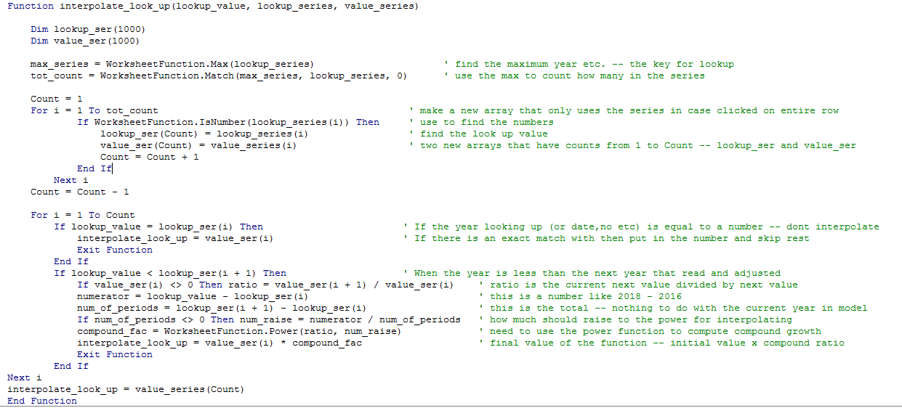
 | Value is Base plus Growth
 |  | Value | 30.00% | 20.06% | 13.42% | 8.97% | 6.00%

 |  | Ratio (named in function) | 20.0% | 20.0% | 20.0% | 20.0% | 20.0%
 |  | Numerator - number from 1 |  | 1.00 | 2.00 | 3.00 | 4.00
 |  | Total (Cols - 1) |  | 4.00 | 4.00 | 4.00 | 4.00
 |  | Factor |  | 0.67 | 0.45 | 0.30 | 0.20

 |  | Value - Initial x Factor | 30.00% | 20.06% | 13.42% | 8.97% | 6.00%

 |  | Interpolate Proof | 30.00% | 20.06% | 13.42% | 8.97% | 6.00%

Simple Example
 |  |  | 100 |  |  |  | 130

 |  | Ratio | 1.3 | 1.3 | 1.3 | 1.3 | 1.3

 |  | Growth | 6.78% | 6.78% | 6.78% | 6.78% | 6.78%
 |  | Growth Value | 100 | 106.78 | 114.02 | 121.75 | 130.00

 |  | Compound Growth | 1.00 | 1.07 | 1.14 | 1.22 | 1.30

 |  | Numerator | 0 | 1 | 2 | 3 | 4
 |  | Denominator | 4 | 4 | 4 | 4 | 4

 |  | Combined with Power | 1.00 | 1.07 | 1.14 | 1.22 | 1.30

 |  | Compound Value | 100 | 106.78 | 114.02 | 121.75 | 130.00

Linear
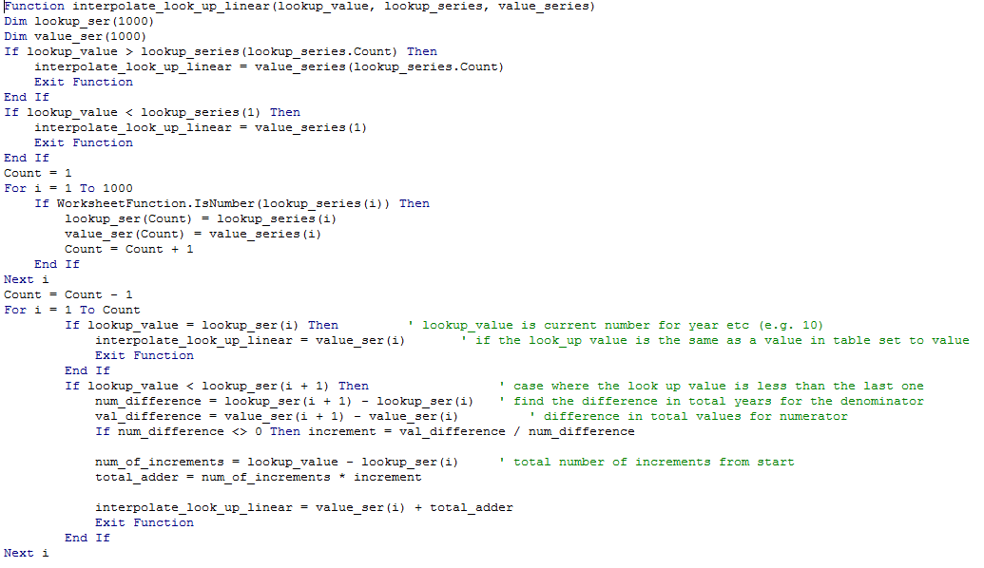
 | Instructions at www.edbodmer.com |  |  |  | Questions: e-mail edwardbodmer@gmail.com
 |  | 1 | 5 | 8
 |  | 100 | 200 | 300

Value | 3
=interpolate_look_up_linear(C5,D2:F2,D3:F3) | 150

Value | 143
=interpolate_look_up_linear(C9,D3:F3,D2:F2) | 2.72

Declining Series (Reverse) |  | 300 | 200 | 100
 |  | 1 | 5 | 8

value | 150
=interpolate_look_up_reverse(C18,D14:F14,D15:F15) | 0.5
 | 6.5

value | 270
=interpolate_look_up_reverse(C22,D14:F14,D15:F15) | 0.90

value | 3

 |  | 4.9235 | 4.042 | 2.921 | 1.921
 |  | 1 | 2 | 3 | 4

 | 3.5
 | 0.71

Full Column Demonstration
 | Base Value | 100
 | Growth | 0.50%
 | Vol | 3%

 |  | Value |  | Avg | Lookup | Avg | Moving
 |  |  | 1-Jan-16 | 100.00 | 100.00 | Lookup | Interpolate Lookup
31-Jan-16 | 1-Jan-16 | 100 | 31-Jan-16 | 123.92 | 144.35 | 123.92 | 100.00 | 100.00
31-Jan-16 | 2-Jan-16 | 97.67 | 29-Feb-16 | 141.91 | 131.77 | 123.92 | 101.23 | 100.00
31-Jan-16 | 3-Jan-16 | 101.82 | 31-Mar-16 | 148.97 | 166.09 | 123.92 | 102.48 | 100.00
31-Jan-16 | 4-Jan-16 | 102.03 | 30-Apr-16 | 180.99 | 195.00 | 123.92 | 103.74 | 100.00
31-Jan-16 | 5-Jan-16 | 104.55 | 31-May-16 | 212.31 | 247.10 | 123.92 | 105.02 | 100.00
31-Jan-16 | 6-Jan-16 | 106.30 | 30-Jun-16 | 226.96 | 207.79 | 123.92 | 106.31 | 100.00
31-Jan-16 | 7-Jan-16 | 111.99 | 31-Jul-16 | 215.31 | 195.54 | 123.92 | 107.62 | 100.00
31-Jan-16 | 8-Jan-16 | 108.61 |  |  |  | 123.92 | 108.94 | 100.00
31-Jan-16 | 9-Jan-16 | 111.04 |  |  |  | 123.92 | 110.28 | 100.00 | =interpolate_look_up(C15,E:E,G:G)
31-Jan-16 | 10-Jan-16 | 109.77 |  |  |  | 123.92 | 111.64 | 100.00
31-Jan-16 | 11-Jan-16 | 114.08 |  |  |  | 123.92 | 113.02 | 100.00
31-Jan-16 | 12-Jan-16 | 110.03 |  |  |  | 123.92 | 114.41 | 100.00
31-Jan-16 | 13-Jan-16 | 114.69 |  |  |  | 123.92 | 115.82 | 100.00
31-Jan-16 | 14-Jan-16 | 114.90 |  |  |  | 123.92 | 117.24 | 100.00
31-Jan-16 | 15-Jan-16 | 115.40 |  |  |  | 123.92 | 118.69 | 100.00
31-Jan-16 | 16-Jan-16 | 117.90 |  |  |  | 123.92 | 120.15 | 100.00
31-Jan-16 | 17-Jan-16 | 120.07 |  |  |  | 123.92 | 121.63 | 100.00
31-Jan-16 | 18-Jan-16 | 128.94 |  |  |  | 123.92 | 123.12 | 100.00
31-Jan-16 | 19-Jan-16 | 132.13 |  |  |  | 123.92 | 124.64 | 100.00
31-Jan-16 | 20-Jan-16 | 128.42 |  |  |  | 123.92 | 126.17 | 100.00
31-Jan-16 | 21-Jan-16 | 141.51 |  |  |  | 123.92 | 127.73 | 100.00
31-Jan-16 | 22-Jan-16 | 142.87 |  |  |  | 123.92 | 129.30 | 100.00
31-Jan-16 | 23-Jan-16 | 141.80 |  |  |  | 123.92 | 130.89 | 100.00
31-Jan-16 | 24-Jan-16 | 140.84 |  |  |  | 123.92 | 132.50 | 100.00
31-Jan-16 | 25-Jan-16 | 143.72 |  |  |  | 123.92 | 134.14 | 100.00
31-Jan-16 | 26-Jan-16 | 143.80 |  |  |  | 123.92 | 135.79 | 100.00
31-Jan-16 | 27-Jan-16 | 150.97 |  |  |  | 123.92 | 137.46 | 100.00
31-Jan-16 | 28-Jan-16 | 146.76 |  |  |  | 123.92 | 139.15 | 100.00
31-Jan-16 | 29-Jan-16 | 150.09 |  |  |  | 123.92 | 140.86 | 100.00
31-Jan-16 | 30-Jan-16 | 144.61 |  |  |  | 123.92 | 142.60 | 100.00
31-Jan-16 | 31-Jan-16 | 144.35 |  |  |  | 123.92 | 144.35 | 123.92
29-Feb-16 | 1-Feb-16 | 144.13 |  |  |  | 141.91 | 143.90 | 123.92
29-Feb-16 | 2-Feb-16 | 148.97 |  |  |  | 141.91 | 143.45 | 123.92
29-Feb-16 | 3-Feb-16 | 147.83 |  |  |  | 141.91 | 143.00 | 123.92
29-Feb-16 | 4-Feb-16 | 140.63 |  |  |  | 141.91 | 142.55 | 123.92
29-Feb-16 | 5-Feb-16 | 138.89 |  |  |  | 141.91 | 142.10 | 123.92
29-Feb-16 | 6-Feb-16 | 139.18 |  |  |  | 141.91 | 141.65 | 123.92
29-Feb-16 | 7-Feb-16 | 139.01 |  |  |  | 141.91 | 141.21 | 123.92
29-Feb-16 | 8-Feb-16 | 142.11 |  |  |  | 141.91 | 140.77 | 123.92
29-Feb-16 | 9-Feb-16 | 146.24 |  |  |  | 141.91 | 140.32 | 123.92
29-Feb-16 | 10-Feb-16 | 145.74 |  |  |  | 141.91 | 139.88 | 123.92
29-Feb-16 | 11-Feb-16 | 141.67 |  |  |  | 141.91 | 139.44 | 123.92
29-Feb-16 | 12-Feb-16 | 148.16 |  |  |  | 141.91 | 139.01 | 123.92
29-Feb-16 | 13-Feb-16 | 146.38 |  |  |  | 141.91 | 138.57 | 123.92
29-Feb-16 | 14-Feb-16 | 150.93 |  |  |  | 141.91 | 138.13 | 123.92
29-Feb-16 | 15-Feb-16 | 147.94 |  |  |  | 141.91 | 137.70 | 123.92
29-Feb-16 | 16-Feb-16 | 143.30 |  |  |  | 141.91 | 137.27 | 123.92
29-Feb-16 | 17-Feb-16 | 143.04 |  |  |  | 141.91 | 136.84 | 123.92
29-Feb-16 | 18-Feb-16 | 148.58 |  |  |  | 141.91 | 136.41 | 123.92
29-Feb-16 | 19-Feb-16 | 150.34 |  |  |  | 141.91 | 135.98 | 123.92
29-Feb-16 | 20-Feb-16 | 149.21 |  |  |  | 141.91 | 135.55 | 123.92
29-Feb-16 | 21-Feb-16 | 144.74 |  |  |  | 141.91 | 135.13 | 123.92
29-Feb-16 | 22-Feb-16 | 141.68 |  |  |  | 141.91 | 134.70 | 123.92
29-Feb-16 | 23-Feb-16 | 135.96 |  |  |  | 141.91 | 134.28 | 123.92
29-Feb-16 | 24-Feb-16 | 129.40 |  |  |  | 141.91 | 133.86 | 123.92
29-Feb-16 | 25-Feb-16 | 129.75 |  |  |  | 141.91 | 133.44 | 123.92
29-Feb-16 | 26-Feb-16 | 131.82 |  |  |  | 141.91 | 133.02 | 123.92
29-Feb-16 | 27-Feb-16 | 132.80 |  |  |  | 141.91 | 132.60 | 123.92
29-Feb-16 | 28-Feb-16 | 135.09 |  |  |  | 141.91 | 132.18 | 123.92
29-Feb-16 | 29-Feb-16 | 131.77 |  |  |  | 141.91 | 131.77 | 141.91
31-Mar-16 | 1-Mar-16 | 134.53 |  |  |  | 148.97 | 132.75 | 141.91
31-Mar-16 | 2-Mar-16 | 133.04 |  |  |  | 148.97 | 133.75 | 141.91
31-Mar-16 | 3-Mar-16 | 132.16 |  |  |  | 148.97 | 134.75 | 141.91
31-Mar-16 | 4-Mar-16 | 131.24 |  |  |  | 148.97 | 135.76 | 141.91
31-Mar-16 | 5-Mar-16 | 129.22 |  |  |  | 148.97 | 136.78 | 141.91
31-Mar-16 | 6-Mar-16 | 130.97 |  |  |  | 148.97 | 137.80 | 141.91
31-Mar-16 | 7-Mar-16 | 134.75 |  |  |  | 148.97 | 138.84 | 141.91
31-Mar-16 | 8-Mar-16 | 131.98 |  |  |  | 148.97 | 139.88 | 141.91
31-Mar-16 | 9-Mar-16 | 135.26 |  |  |  | 148.97 | 140.93 | 141.91
31-Mar-16 | 10-Mar-16 | 135.38 |  |  |  | 148.97 | 141.98 | 141.91
31-Mar-16 | 11-Mar-16 | 140.89 |  |  |  | 148.97 | 143.05 | 141.91
31-Mar-16 | 12-Mar-16 | 141.20 |  |  |  | 148.97 | 144.12 | 141.91
31-Mar-16 | 13-Mar-16 | 134.85 |  |  |  | 148.97 | 145.20 | 141.91
31-Mar-16 | 14-Mar-16 | 142.92 |  |  |  | 148.97 | 146.29 | 141.91
31-Mar-16 | 15-Mar-16 | 141.69 |  |  |  | 148.97 | 147.38 | 141.91
31-Mar-16 | 16-Mar-16 | 142.70 |  |  |  | 148.97 | 148.49 | 141.91
31-Mar-16 | 17-Mar-16 | 146.57 |  |  |  | 148.97 | 149.60 | 141.91
31-Mar-16 | 18-Mar-16 | 151.96 |  |  |  | 148.97 | 150.72 | 141.91
31-Mar-16 | 19-Mar-16 | 154.88 |  |  |  | 148.97 | 151.85 | 141.91
31-Mar-16 | 20-Mar-16 | 156.76 |  |  |  | 148.97 | 152.99 | 141.91
31-Mar-16 | 21-Mar-16 | 164.49 |  |  |  | 148.97 | 154.14 | 141.91
31-Mar-16 | 22-Mar-16 | 161.96 |  |  |  | 148.97 | 155.29 | 141.91
31-Mar-16 | 23-Mar-16 | 159.38 |  |  |  | 148.97 | 156.46 | 141.91
31-Mar-16 | 24-Mar-16 | 163.66 |  |  |  | 148.97 | 157.63 | 141.91
31-Mar-16 | 25-Mar-16 | 168.11 |  |  |  | 148.97 | 158.81 | 141.91
31-Mar-16 | 26-Mar-16 | 171.04 |  |  |  | 148.97 | 160.00 | 141.91
31-Mar-16 | 27-Mar-16 | 171.54 |  |  |  | 148.97 | 161.20 | 141.91
31-Mar-16 | 28-Mar-16 | 174.41 |  |  |  | 148.97 | 162.41 | 141.91
31-Mar-16 | 29-Mar-16 | 166.78 |  |  |  | 148.97 | 163.63 | 141.91
31-Mar-16 | 30-Mar-16 | 167.64 |  |  |  | 148.97 | 164.85 | 141.91
31-Mar-16 | 31-Mar-16 | 166.09 |  |  |  | 148.97 | 166.09 | 148.97
30-Apr-16 | 1-Apr-16 | 159.29 |  |  |  | 180.99 | 166.98 | 148.97
30-Apr-16 | 2-Apr-16 | 160.88 |  |  |  | 180.99 | 167.88 | 148.97
30-Apr-16 | 3-Apr-16 | 164.25 |  |  |  | 180.99 | 168.78 | 148.97
30-Apr-16 | 4-Apr-16 | 159.04 |  |  |  | 180.99 | 169.68 | 148.97
30-Apr-16 | 5-Apr-16 | 162.53 |  |  |  | 180.99 | 170.59 | 148.97
30-Apr-16 | 6-Apr-16 | 164.66 |  |  |  | 180.99 | 171.51 | 148.97
30-Apr-16 | 7-Apr-16 | 168.55 |  |  |  | 180.99 | 172.43 | 148.97
30-Apr-16 | 8-Apr-16 | 166.95 |  |  |  | 180.99 | 173.35 | 148.97
30-Apr-16 | 9-Apr-16 | 165.14 |  |  |  | 180.99 | 174.28 | 148.97
30-Apr-16 | 10-Apr-16 | 171.19 |  |  |  | 180.99 | 175.22 | 148.97
30-Apr-16 | 11-Apr-16 | 177.62 |  |  |  | 180.99 | 176.16 | 148.97
30-Apr-16 | 12-Apr-16 | 187.75 |  |  |  | 180.99 | 177.10 | 148.97
30-Apr-16 | 13-Apr-16 | 183.21 |  |  |  | 180.99 | 178.05 | 148.97
30-Apr-16 | 14-Apr-16 | 182.32 |  |  |  | 180.99 | 179.01 | 148.97
30-Apr-16 | 15-Apr-16 | 181.81 |  |  |  | 180.99 | 179.97 | 148.97
30-Apr-16 | 16-Apr-16 | 182.41 |  |  |  | 180.99 | 180.93 | 148.97
30-Apr-16 | 17-Apr-16 | 184.35 |  |  |  | 180.99 | 181.90 | 148.97
30-Apr-16 | 18-Apr-16 | 179.20 |  |  |  | 180.99 | 182.88 | 148.97
30-Apr-16 | 19-Apr-16 | 179.46 |  |  |  | 180.99 | 183.86 | 148.97
30-Apr-16 | 20-Apr-16 | 185.27 |  |  |  | 180.99 | 184.84 | 148.97
30-Apr-16 | 21-Apr-16 | 190.76 |  |  |  | 180.99 | 185.84 | 148.97
30-Apr-16 | 22-Apr-16 | 189.07 |  |  |  | 180.99 | 186.83 | 148.97
30-Apr-16 | 23-Apr-16 | 190.35 |  |  |  | 180.99 | 187.83 | 148.97
30-Apr-16 | 24-Apr-16 | 191.04 |  |  |  | 180.99 | 188.84 | 148.97
30-Apr-16 | 25-Apr-16 | 195.41 |  |  |  | 180.99 | 189.85 | 148.97
30-Apr-16 | 26-Apr-16 | 206.70 |  |  |  | 180.99 | 190.87 | 148.97
30-Apr-16 | 27-Apr-16 | 204.54 |  |  |  | 180.99 | 191.90 | 148.97
30-Apr-16 | 28-Apr-16 | 201.13 |  |  |  | 180.99 | 192.93 | 148.97
30-Apr-16 | 29-Apr-16 | 199.75 |  |  |  | 180.99 | 193.96 | 148.97
30-Apr-16 | 30-Apr-16 | 195.00 |  |  |  | 180.99 | 195.00 | 180.99
31-May-16 | 1-May-16 | 200.80 |  |  |  | 212.31 | 196.50 | 180.99
31-May-16 | 2-May-16 | 204.64 |  |  |  | 212.31 | 198.00 | 180.99
31-May-16 | 3-May-16 | 207.10 |  |  |  | 212.31 | 199.52 | 180.99
31-May-16 | 4-May-16 | 207.66 |  |  |  | 212.31 | 201.05 | 180.99
31-May-16 | 5-May-16 | 205.58 |  |  |  | 212.31 | 202.59 | 180.99
31-May-16 | 6-May-16 | 208.89 |  |  |  | 212.31 | 204.15 | 180.99
31-May-16 | 7-May-16 | 203.24 |  |  |  | 212.31 | 205.71 | 180.99
31-May-16 | 8-May-16 | 206.02 |  |  |  | 212.31 | 207.29 | 180.99
31-May-16 | 9-May-16 | 190.91 |  |  |  | 212.31 | 208.88 | 180.99
31-May-16 | 10-May-16 | 199.37 |  |  |  | 212.31 | 210.48 | 180.99
31-May-16 | 11-May-16 | 195.37 |  |  |  | 212.31 | 212.09 | 180.99
31-May-16 | 12-May-16 | 206.30 |  |  |  | 212.31 | 213.72 | 180.99
31-May-16 | 13-May-16 | 212.42 |  |  |  | 212.31 | 215.36 | 180.99
31-May-16 | 14-May-16 | 217.83 |  |  |  | 212.31 | 217.01 | 180.99
31-May-16 | 15-May-16 | 215.22 |  |  |  | 212.31 | 218.67 | 180.99
31-May-16 | 16-May-16 | 212.30 |  |  |  | 212.31 | 220.35 | 180.99
31-May-16 | 17-May-16 | 213.14 |  |  |  | 212.31 | 222.04 | 180.99
31-May-16 | 18-May-16 | 214.95 |  |  |  | 212.31 | 223.74 | 180.99
31-May-16 | 19-May-16 | 211.75 |  |  |  | 212.31 | 225.46 | 180.99
31-May-16 | 20-May-16 | 204.13 |  |  |  | 212.31 | 227.19 | 180.99
31-May-16 | 21-May-16 | 206.80 |  |  |  | 212.31 | 228.93 | 180.99
31-May-16 | 22-May-16 | 205.95 |  |  |  | 212.31 | 230.69 | 180.99
31-May-16 | 23-May-16 | 206.54 |  |  |  | 212.31 | 232.45 | 180.99
31-May-16 | 24-May-16 | 209.09 |  |  |  | 212.31 | 234.24 | 180.99
31-May-16 | 25-May-16 | 214.25 |  |  |  | 212.31 | 236.03 | 180.99
31-May-16 | 26-May-16 | 217.57 |  |  |  | 212.31 | 237.84 | 180.99
31-May-16 | 27-May-16 | 227.28 |  |  |  | 212.31 | 239.67 | 180.99
31-May-16 | 28-May-16 | 229.09 |  |  |  | 212.31 | 241.50 | 180.99
31-May-16 | 29-May-16 | 239.22 |  |  |  | 212.31 | 243.36 | 180.99
31-May-16 | 30-May-16 | 241.25 |  |  |  | 212.31 | 245.22 | 180.99
31-May-16 | 31-May-16 | 247.10 |  |  |  | 212.31 | 247.10 | 212.31
30-Jun-16 | 1-Jun-16 | 236.22 |  |  |  | 226.96 | 245.68 | 212.31
30-Jun-16 | 2-Jun-16 | 235.35 |  |  |  | 226.96 | 244.26 | 212.31
30-Jun-16 | 3-Jun-16 | 228.94 |  |  |  | 226.96 | 242.86 | 212.31
30-Jun-16 | 4-Jun-16 | 235.78 |  |  |  | 226.96 | 241.46 | 212.31
30-Jun-16 | 5-Jun-16 | 238.91 |  |  |  | 226.96 | 240.07 | 212.31
30-Jun-16 | 6-Jun-16 | 244.65 |  |  |  | 226.96 | 238.69 | 212.31
30-Jun-16 | 7-Jun-16 | 235.69 |  |  |  | 226.96 | 237.31 | 212.31
30-Jun-16 | 8-Jun-16 | 231.12 |  |  |  | 226.96 | 235.94 | 212.31
30-Jun-16 | 9-Jun-16 | 227.51 |  |  |  | 226.96 | 234.58 | 212.31
30-Jun-16 | 10-Jun-16 | 225.55 |  |  |  | 226.96 | 233.23 | 212.31
30-Jun-16 | 11-Jun-16 | 224.78 |  |  |  | 226.96 | 231.89 | 212.31
30-Jun-16 | 12-Jun-16 | 241.14 |  |  |  | 226.96 | 230.55 | 212.31
30-Jun-16 | 13-Jun-16 | 234.54 |  |  |  | 226.96 | 229.23 | 212.31
30-Jun-16 | 14-Jun-16 | 231.72 |  |  |  | 226.96 | 227.91 | 212.31
30-Jun-16 | 15-Jun-16 | 219.42 |  |  |  | 226.96 | 226.59 | 212.31
30-Jun-16 | 16-Jun-16 | 224.44 |  |  |  | 226.96 | 225.29 | 212.31
30-Jun-16 | 17-Jun-16 | 223.66 |  |  |  | 226.96 | 223.99 | 212.31
30-Jun-16 | 18-Jun-16 | 227.74 |  |  |  | 226.96 | 222.70 | 212.31
30-Jun-16 | 19-Jun-16 | 224.39 |  |  |  | 226.96 | 221.42 | 212.31
30-Jun-16 | 20-Jun-16 | 216.25 |  |  |  | 226.96 | 220.14 | 212.31
30-Jun-16 | 21-Jun-16 | 227.57 |  |  |  | 226.96 | 218.87 | 212.31
30-Jun-16 | 22-Jun-16 | 231.75 |  |  |  | 226.96 | 217.61 | 212.31
30-Jun-16 | 23-Jun-16 | 231.56 |  |  |  | 226.96 | 216.36 | 212.31
30-Jun-16 | 24-Jun-16 | 225.53 |  |  |  | 226.96 | 215.11 | 212.31
30-Jun-16 | 25-Jun-16 | 220.77 |  |  |  | 226.96 | 213.87 | 212.31
30-Jun-16 | 26-Jun-16 | 217.76 |  |  |  | 226.96 | 212.64 | 212.31
30-Jun-16 | 27-Jun-16 | 218.74 |  |  |  | 226.96 | 211.42 | 212.31
30-Jun-16 | 28-Jun-16 | 207.84 |  |  |  | 226.96 | 210.20 | 212.31
30-Jun-16 | 29-Jun-16 | 211.81 |  |  |  | 226.96 | 208.99 | 212.31
30-Jun-16 | 30-Jun-16 | 207.79 |  |  |  | 226.96 | 207.79 | 226.96
31-Jul-16 | 1-Jul-16 | 219.77 |  |  |  | 215.31 | 207.38 | 226.96
31-Jul-16 | 2-Jul-16 | 227.77 |  |  |  | 215.31 | 206.97 | 226.96
31-Jul-16 | 3-Jul-16 | 222.84 |  |  |  | 215.31 | 206.57 | 226.96
31-Jul-16 | 4-Jul-16 | 226.72 |  |  |  | 215.31 | 206.16 | 226.96
31-Jul-16 | 5-Jul-16 | 222.82 |  |  |  | 215.31 | 205.76 | 226.96
31-Jul-16 | 6-Jul-16 | 218.11 |  |  |  | 215.31 | 205.36 | 226.96
31-Jul-16 | 7-Jul-16 | 222.60 |  |  |  | 215.31 | 204.96 | 226.96
31-Jul-16 | 8-Jul-16 | 223.43 |  |  |  | 215.31 | 204.55 | 226.96
31-Jul-16 | 9-Jul-16 | 227.21 |  |  |  | 215.31 | 204.15 | 226.96
31-Jul-16 | 10-Jul-16 | 225.46 |  |  |  | 215.31 | 203.75 | 226.96
31-Jul-16 | 11-Jul-16 | 235.85 |  |  |  | 215.31 | 203.36 | 226.96
31-Jul-16 | 12-Jul-16 | 231.07 |  |  |  | 215.31 | 202.96 | 226.96
31-Jul-16 | 13-Jul-16 | 222.93 |  |  |  | 215.31 | 202.56 | 226.96
31-Jul-16 | 14-Jul-16 | 211.09 |  |  |  | 215.31 | 202.16 | 226.96
31-Jul-16 | 15-Jul-16 | 200.72 |  |  |  | 215.31 | 201.77 | 226.96
31-Jul-16 | 16-Jul-16 | 205.65 |  |  |  | 215.31 | 201.37 | 226.96
31-Jul-16 | 17-Jul-16 | 200.18 |  |  |  | 215.31 | 200.98 | 226.96
31-Jul-16 | 18-Jul-16 | 203.86 |  |  |  | 215.31 | 200.59 | 226.96
31-Jul-16 | 19-Jul-16 | 205.22 |  |  |  | 215.31 | 200.19 | 226.96
31-Jul-16 | 20-Jul-16 | 216.92 |  |  |  | 215.31 | 199.80 | 226.96
31-Jul-16 | 21-Jul-16 | 209.43 |  |  |  | 215.31 | 199.41 | 226.96
31-Jul-16 | 22-Jul-16 | 199.19 |  |  |  | 215.31 | 199.02 | 226.96
31-Jul-16 | 23-Jul-16 | 192.97 |  |  |  | 215.31 | 198.63 | 226.96
31-Jul-16 | 24-Jul-16 | 195.54 |  |  |  | 215.31 | 198.24 | 226.96

