Financal Ratios
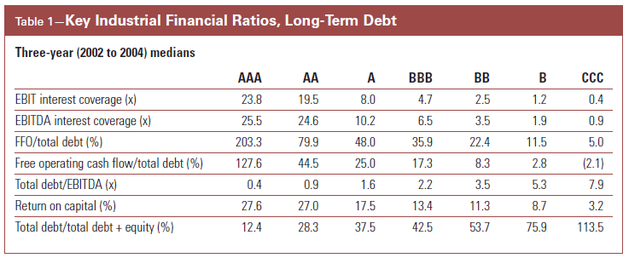
 |  | AAA | AA | A | BBB | BB | B | CCC
 | 0 | 1 | 2 | 3 | 4 | 5 | 6 | 7 | 8
Debt/EBITDA | 0 | 0.4 | 0.9 | 1.6 | 2.2 | 3.5 | 5.3 | 7.9 | 100
Debt to Capital | 0 | 12% | 28.30% | 37.50% | 42.50% | 53.70% | 75.90% | 113.50% | 500.00%

 |  | CCC | B | BB | BBB | A | AA | AAA
 | 8 | 7 | 6 | 5 | 4 | 3 | 2 | 1 | 0
EBIT Interest Coverage | -100 | 0.4 | 1.2 | 2.5 | 4.7 | 8 | 19.5 | 23.8 | 100
EBITDA Interest Coverage | -100 | 0.9 | 1.9 | 3.5 | 6.5 | 10.2 | 24.6 | 25.5 | 100
FFO/Debt | -100% | 5.00% | 11.50% | 22.40% | 35.90% | 48.00% | 79.90% | 203.30% | 500.00%
Free Operating Cash Flow/Debt | -100% | -2.10% | 2.80% | 8.30% | 17.30% | 25.00% | 44.50% | 127.60% | 500.00%
Return on Capital | -100% | 3.20% | 8.70% | 11.30% | 13.40% | 17.50% | 27.00% | 27.60% | 500.00%

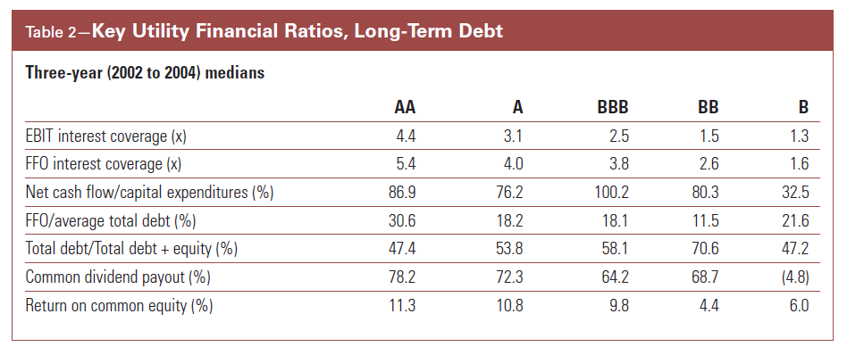

 |  | AAA | AA | A | BBB | BB | B
 |  | 1 | 2 | 3 | 4 | 5 | 6
Debt to Capital |  | 0.00% | 47.40% | 53.80% | 58.10% | 70.60% | 100.00%

 |  | B | BB | BBB | A | AA | AAA
 |  | 6 | 5 | 4 | 3 | 2 | 1
EBIT Interest Coverage |  | 1.3 | 1.5 | 2.5 | 3.1 | 4.4 | 6
FFO/Interest Coverage |  | 1.6 | 2.6 | 3.8 | 4 | 5.4 | 7
FFO/Debt |  | 21.60% | 11.50% | 18.10% | 18.20% | 30.60% | 50.00%

 |  |  |  |  |  |  |  | 0.01

Benchmark Industrial
 |  | Highly Leveraged | Aggressive | Intermediate | Modest | Minimal
FFO to Debt |  | 0.00% | 15.00% | 30.00% | 45.00% | 60.00%
Score |  | 5 | 4 | 3 | 2 | 1

 |  | Minimal | Modest | Intermediate | Aggressive | Highly Leveraged
Debt to Capital |  | 0 | 25.00% | 35.00% | 45.00% | 55.00%
Score |  | 1 | 2 | 3 | 4 | 5

 |  | Minimal | Modest | Intermediate | Aggressive | Highly Leveraged
Debt/EBITDA |  | 0 | 1.40 | 2.00 | 3.00 | 4.50
Score |  | 1 | 2 | 3 | 4 | 5

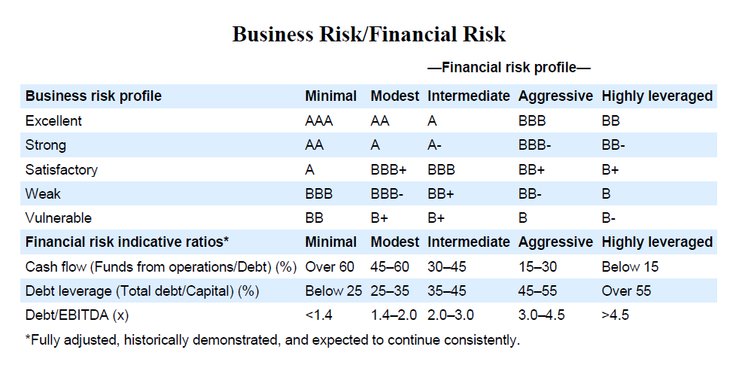
 |  |  | Financial Risk Profile
Operating Risk Profile |  | Minimal | Modest | Intermediate | Aggressive | Highly Leveraged
 |  | 1 | 2 | 3 | 4 | 5
Excellent | 1 | AAA | AA | A | BBB | BB
Strong | 2 | AA | A | A | BBB | BB
Satisfactory | 3 | A | BBB+ | BBB | BB+ | B+
Weak | 4 | BBB | BBB | BB+ | BB | B
Vulnerable | 5 | BB | B+ | B+ | B | B

 |  | Minimal | Modest | Modest | Intermediate | Intermediate | Aggressive | Aggressive | Highly Leveraged
 |  | Worst | Worst | Best | Worst | Best | Worst | Best | Best
 |  | 1 | 2 | 2 | 3 | 3 | 4 | 4 | 5
Cash flow Funds from operations/Debt |  | 60.00% | 45.00% | 60.00% | 30.00% | 45.00% | 15.00% | 30.00% | 15.00%
 |  | Worst | Best | Worst | Best | Worst | Best | Worst | Best
Debt leverage Total debt/Capital |  | 25.00% | 25.00% | 35.00% | 35.00% | 45.00% | 45.00% | 55.00% | 55.00%
Debt/EBITDA x |  | 1.40 | 1.40 | 2.00 | 2.00 | 3.00 | 3.00 | 4.50 | 4.50

Financial risk indicative ratios*

Ratings and Ratios
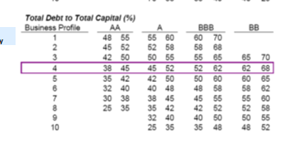
Business |  | Debt to Capital Standards
Profile | AAA | AA Low | A Low | BBB Low | BB Low | B | CCC
 | 1 | 2 | 3 | 4 | 5 | 6 | 7
1 | 0.00% | 48% | 55% | 60% | 70% | 100% | 200%
2 | 0.00% | 45% | 52% | 58% | 68% | 100% | 200%
3 | 0.00% | 42% | 45% | 55% | 65% | 70% | 100%
4 | 0.00% | 38% | 42% | 52% | 62% | 68% | 100%
5 | 0.00% | 35% | 40% | 50% | 60% | 65% | 100%
6 | 0.00% | 32% | 38% | 48% | 58% | 62% | 100%
7 | 0.00% | 30% | 35% | 45% | 55% | 60% | 100%
8 | 0.00% | 25% | 32% | 42% | 52% | 58% | 100%
9 | 0.00% | 1% | 25% | 40% | 50% | 55% | 100%
10 | 0.00% | 1% | 3% | 35% | 48% | 52% | 100%

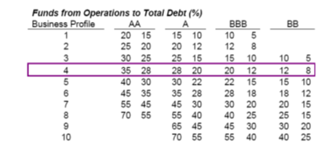
Business |  | FFO to Debt Standards
Profile | B Start | BB Start | BBB Start | A Start | AA Start | AAA Start
 | 6 | 5 | 4 | 3 | 2 | 1
1 | 0.00 | 0.01 | 0.05 | 0.10 | 0.15 | 0.20
2 | 0.00 | 0.01 | 0.08 | 0.12 | 0.20 | 0.25
3 | 0.00 | 0.05 | 0.10 | 0.15 | 0.25 | 0.30
4 | 0.00 | 0.08 | 0.12 | 0.20 | 0.28 | 0.35
5 | 0.00 | 0.10 | 0.15 | 0.22 | 0.30 | 0.40
6 | 0.00 | 0.12 | 0.18 | 0.28 | 0.35 | 0.45
7 | 0.00 | 0.15 | 0.20 | 0.30 | 0.45 | 0.55
8 | 0.00 | 0.15 | 0.25 | 0.40 | 0.55 | 0.70
9 | 0.00 | 0.20 | 0.30 | 0.45 | 0.65 | 1.50
10 | 0.00 | 0.25 | 0.40 | 0.55 | 0.70 | 2.00

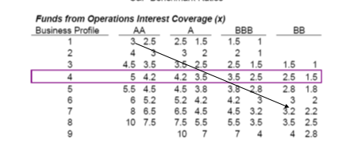
Business |  | FFO to Interest
Profile | B | BB Low | BBB Low | A Low | AA Low | AAA
 | 6 | 5 | 4 | 3 | 2 | 1
1 | 0.00 | 0.00 | 1.00 | 1.50 | 2.50 | 3.00
2 | 0.00 | 0.00 | 1.00 | 2.00 | 3.00 | 4.00
3 | 0.00 | 1.00 | 1.50 | 2.50 | 3.50 | 4.50
4 | 0.00 | 1.50 | 2.50 | 3.50 | 4.20 | 5.00
5 | 0.00 | 1.80 | 2.80 | 3.80 | 4.50 | 5.50
6 | 0.00 | 2.00 | 3.00 | 4.20 | 5.20 | 6.00
7 | 0.00 | 2.20 | 3.00 | 4.50 | 6.50 | 8.00
8 | 0.00 | 2.50 | 3.20 | 5.50 | 7.50 | 10.00
9 | 0.00 | 2.80 | 3.50 | 7.00 | 9.50 | 12.00
10 | 0.00 | 3.00 | 4.00 | 9.00 | 12.50 | 15.00

