Sheet1
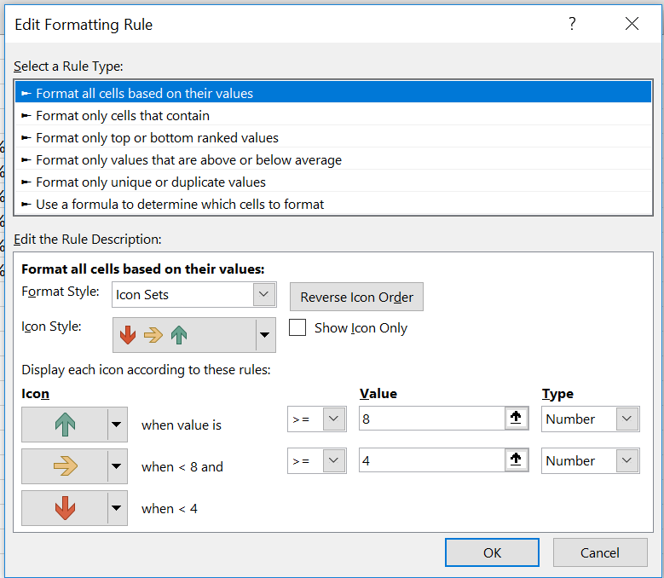
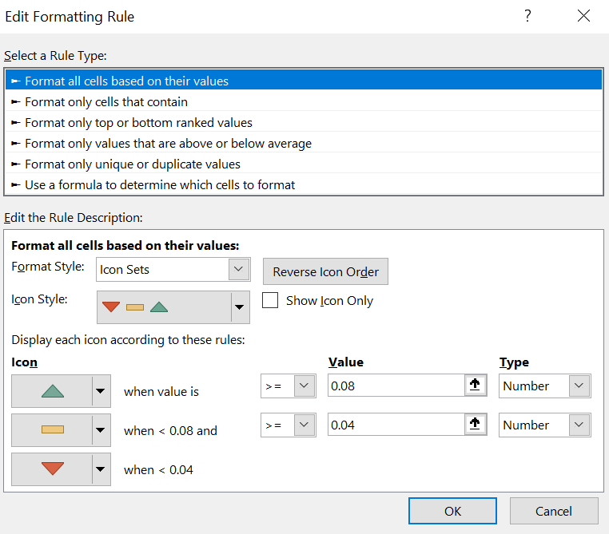
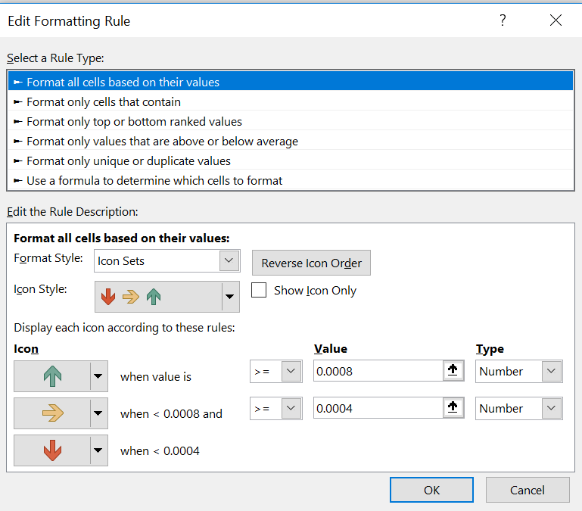
< 8 | < 8% | < .08%
> 4 | > 4% | > .04%

9 | 9.00% | 0.09% | 0.0009 | 0.00090
6 | 6.00% | 0.06% | 0.0006
5 | 5.00% | 0.05% | 0.0005
3 | 3.00% | 0.03% | 0.0003
8 | 8.00% | 0.08% | 0.0008
12 | 12.00% | 0.12% | 0.0012

