Sweep with Taxes Blank
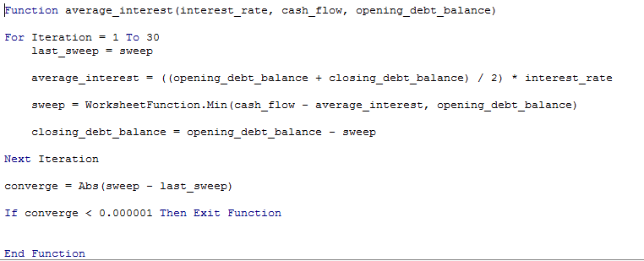
Assumptions
 | Cash Flow |  | 100
 | Growth |  | 20%
 | Interest Rate |  | 20%
 | Initial Debt |  | 600
 | Opening Balance |  | TRUE
 | Income Tax Rate |  | 30%

Resolution of Circular Refereces with Function

 | Debt Schedule
 |  | Opening Balance |  | 600.00 | 530.00 | 446.00 | 345.20 | 224.24 | 79.09 | 0.00 | 0.00 | 0.00 | 0.00
 |  | Less: Repayment from Sweep |  | 70.00 | 84.00 | 100.80 | 120.96 | 145.15 | 79.09 | 0.00 | 0.00 | 0.00 | 0.00
 |  | Closing Balance | 600.00 | 530.00 | 446.00 | 345.20 | 224.24 | 79.09 | 0.00 | 0.00 | 0.00 | 0.00 | 0.00

 |  | Interest Expense on Average Balance

 | Cash Flow Statement
 |  | Cash Flow |  | 100.00 | 120.00 | 144.00 | 172.80 | 207.36 | 248.83 | 298.60 | 358.32 | 429.98 | 515.98
 |  | Less: Interest Expense |  | 0.00 | 0.00 | 0.00 | 0.00 | 0.00 | 0.00 | 0.00 | 0.00 | 0.00 | 0.00
 |  | EBT before NOL |  | 100.00 | 120.00 | 144.00 | 172.80 | 207.36 | 248.83 | 298.60 | 358.32 | 429.98 | 515.98

 |  | NOL Balance
 |  | Opening Balance |  | 0.00 | 0.00 | 0.00 | 0.00 | 0.00 | 0.00 | 0.00 | 0.00 | 0.00 | 0.00
 |  | Add: NOL Created from Losses |  | 0.00 | 0.00 | 0.00 | 0.00 | 0.00 | 0.00 | 0.00 | 0.00 | 0.00 | 0.00
 |  | Less: NOL Used from Postivie Income |  | 0.00 | 0.00 | 0.00 | 0.00 | 0.00 | 0.00 | 0.00 | 0.00 | 0.00 | 0.00
 |  | Closing NOL Balance |  | 0.00 | 0.00 | 0.00 | 0.00 | 0.00 | 0.00 | 0.00 | 0.00 | 0.00 | 0.00

 |  | Adjusted EBT |  | 100.00 | 120.00 | 144.00 | 172.80 | 207.36 | 248.83 | 298.60 | 358.32 | 429.98 | 515.98
 |  | Less: Taxes |  | 30.00 | 36.00 | 43.20 | 51.84 | 62.21 | 74.65 | 89.58 | 107.50 | 128.99 | 154.79
 |  | Cash Flow After Interest |  | 70.00 | 84.00 | 100.80 | 120.96 | 145.15 | 174.18 | 209.02 | 250.82 | 300.99 | 361.18
 |  | Less: Repayments |  | 70.00 | 84.00 | 100.80 | 120.96 | 145.15 | 79.09 | 0.00 | 0.00 | 0.00 | 0.00
 |  | Equity Cash Flow |  | 0.00 | 0.00 | 0.00 | 0.00 | 0.00 | 95.09 | 209.02 | 250.82 | 300.99 | 361.18

Sweep with Taxes Completed
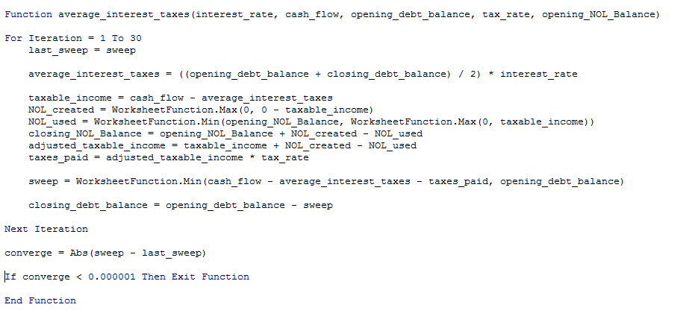
Assumptions
 | Cash Flow |  | 100
 | Growth |  | 20%
 | Interest Rate |  | 20%
 | Initial Debt |  | 600
 | Opening Balance |  | TRUE
 | Income Tax Rate |  | 30%

Resolution of Circular Refereces with Function

 | Debt Schedule
 |  | Opening Balance |  | 600.00 | 622.22 | 627.16 | 606.53 | 565.66 | 494.74 | 381.92 | 214.67 | 0.00 | 0.00
 |  | Less: Repayment from Sweep |  | -22.22 | -4.94 | 20.63 | 40.87 | 70.92 | 112.82 | 167.26 | 214.67 | 0.00 | 0.00
 |  | Closing Balance | 600.00 | 622.22 | 627.16 | 606.53 | 565.66 | 494.74 | 381.92 | 214.67 | 0.00 | 0.00 | 0.00

 |  | Interest Expense on Average Balance |  | 122.22 | 124.94 | 123.37 | 117.22 | 106.04 | 87.67 | 59.66 | 21.47 | 0.00 | 0.00
 |  | Check |  | 122.22 | 124.94 | 123.37 | 117.22 | 106.04 | 87.67 | 59.66 | 21.47 | 0.00 | 0.00

 | Cash Flow Statement
 |  | Cash Flow |  | 100.00 | 120.00 | 144.00 | 172.80 | 207.36 | 248.83 | 298.60 | 358.32 | 429.98 | 515.98
 |  | Less: Interest Expense |  | 122.22 | 124.94 | 123.37 | 117.22 | 106.04 | 87.67 | 59.66 | 21.47 | 0.00 | 0.00
 |  | EBT before NOL |  | -22.22 | -4.94 | 20.63 | 55.58 | 101.32 | 161.17 | 238.94 | 336.85 | 429.98 | 515.98

 |  | NOL Balance
 |  | Opening Balance |  | 0.00 | 22.22 | 27.16 | 6.53 | 0.00 | 0.00 | 0.00 | 0.00 | 0.00 | 0.00
 |  | Add: NOL Created from Losses |  | 22.22 | 4.94 | 0.00 | 0.00 | 0.00 | 0.00 | 0.00 | 0.00 | 0.00 | 0.00
 |  | Less: NOL Used from Postivie Income |  | 0.00 | 0.00 | 20.63 | 6.53 | 0.00 | 0.00 | 0.00 | 0.00 | 0.00 | 0.00
 |  | Closing NOL Balance |  | 22.22 | 27.16 | 6.53 | 0.00 | 0.00 | 0.00 | 0.00 | 0.00 | 0.00 | 0.00

 |  | Adjusted EBT |  | 0.00 | 0.00 | 0.00 | 49.05 | 101.32 | 161.17 | 238.94 | 336.85 | 429.98 | 515.98
 |  | Less: Taxes |  | 0.00 | 0.00 | 0.00 | 14.72 | 30.40 | 48.35 | 71.68 | 101.06 | 128.99 | 154.79
 |  | Cash Flow After Interest |  | -22.22 | -4.94 | 20.63 | 40.87 | 70.92 | 112.82 | 167.26 | 235.80 | 300.99 | 361.18
 |  | Less: Repayments |  | -22.22 | -4.94 | 20.63 | 40.87 | 70.92 | 112.82 | 167.26 | 214.67 | 0.00 | 0.00
 |  | Equity Cash Flow |  | 0.00 | 0.00 | 0.00 | 0.00 | 0.00 | 0.00 | 0.00 | 21.13 | 300.99 | 361.18

