PVWatts
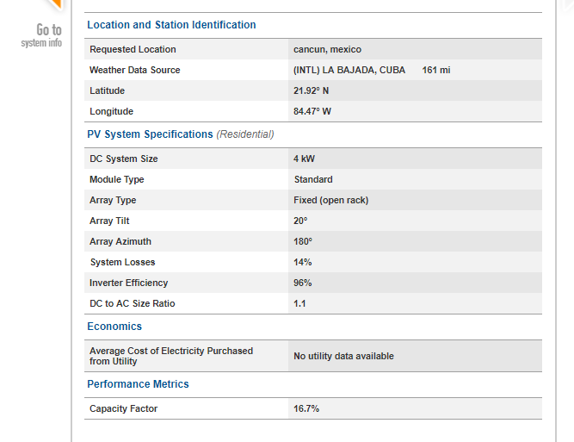

Helioscope
 | kWh/m2 | Raw CF | PR | CF
With Tilt | 1832.3 | 20.92% | 78.20% | 16.36% | PR | 78.20% |  | 8760 |  | 0.82321249167
Raw | 1743.7 | 19.91% |  |  | kWp | 2640
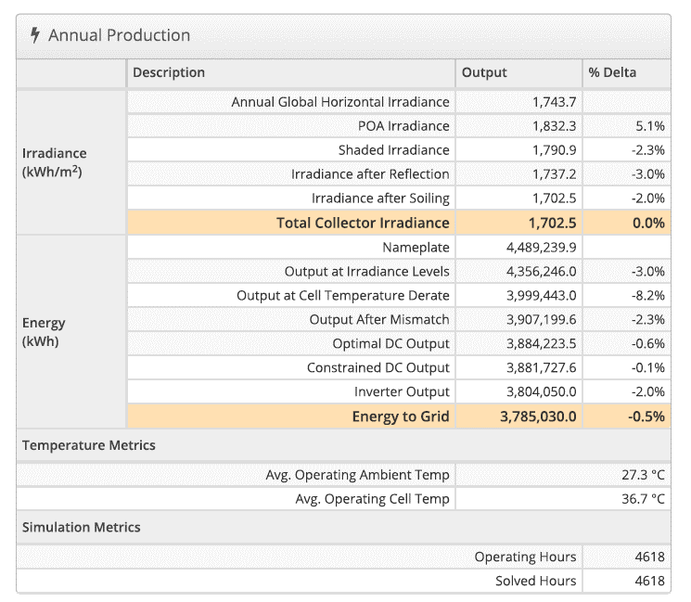
 |  |  |  |  | kWh/kWp | 1433.7
 |  |  |  |  | CF | 16.37%

 |  |  |  |  | 1743.7 | 19.91%
 |  |  |  |  | 1832.3 | 20.92%
 |  |  |  |  | 1790.9 | 20.44%
 |  |  |  |  | 1737.2 | 19.83%
 |  |  |  |  | 1702.5 | 19.43% |  |  |  | 0.97637208235

 |  |  |  |  | kWh | kWp | kWh/kWp | CF
 |  |  |  |  | 4,489,239 | 2,640 | 1,700.47 | 19.41%
 |  |  |  |  | 4,356,246 | 2,640 | 1,650.09 | 18.84%
 |  |  |  |  | 3,999,443 | 2,640 | 1,514.94 | 17.29%
 |  |  |  |  | 3,907,199 | 2,640 | 1,480.00 | 16.89%
 |  |  |  |  | 3,884,223 | 2,640 | 1,471.30 | 16.80%
 |  |  |  |  | 3,881,727 | 2,640 | 1,470.35 | 16.78%
 |  |  |  |  | 3,804,050 | 2,640 | 1,440.93 | 16.45%
 |  |  |  |  | 3,785,030 | 2,640 | 1,433.72 | 16.37% |  | 0.8431339922

 |  |  |  |  |  | PR |  | 78.25% | 16.37%

