Case Financial Statements
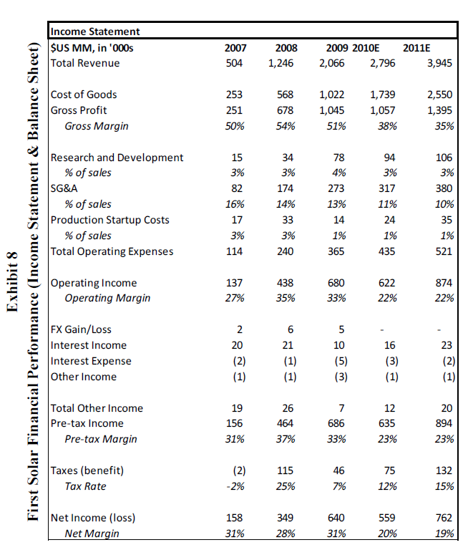
Income Statement
 | US MM, in '000s |  |  | 2006 | 2007 | 2008 | 2009 | 2010 | 2011
 | Actual |  |  |  | TRUE | TRUE | TRUE | FALSE | FALSE
 | Total Revenue |  |  |  | 504 | 1,246 | 2,066 | 2,796 | 3,945
 | Cost of Goods |  |  |  | 253 | 568 | 1,022 | 1,739 | 2,550
 | Gross Profit |  |  |  | 251 | 678 | 1,044 | 1,057 | 1,395
 | Research and Development |  |  |  | 15 | 34 | 78 | 94 | 106
 | SG&A |  |  |  | 82 | 174 | 273 | 317 | 380
 | Production Startup Costs |  |  |  | 17 | 33 | 14 | 24 | 35
 | Total Operating Expenses |  |  |  | 114 | 241 | 365 | 435 | 521
 | Operating Income |  |  |  | 137 | 437 | 679 | 622 | 874
 | FX Gain Loss |  |  |  | 2 | 6 | 5 | - | -
 | Interest Income |  |  |  | 20 | 21 | 10 | 16 | 23
 | Interest Expense |  |  |  | (2) | (1) | (5) | (3) | (2)
 | Other Income |  |  |  | (1) | (1) | (3) | (1) | (1)
 | Total Other Income |  |  |  | 19 | 25 | 7 | 12 | 20
 | Pre-tax Income |  |  |  | 156 | 462 | 686 | 634 | 894
 | Taxes |  |  |  | (2) | 115 | 46 | 75 | 132
 | Net Income loss |  |  |  | 158 | 347 | 640 | 559 | 762

 | Income Tax Rate |  |  |  | -1.28% | 24.89% | 6.71% | 11.83% | 14.77%
 | Applied Tax Rate |  |  |  | 20.00% | 20.00% | 20.00% | 20.00% | 20.00%

Balance Sheet |  | Assets & | Net Finance
 | December Year-End | Liab Assoc | and Other | 2006 | 2007 | 2008 | 2009
 |  | with EBIT | with EBIT
 | Cash and Investments |  |  | 308 | 637 | 792 | 785
 | Accounts Receivable |  |  | 28 | 18 | 62 | 227
 | Inventories |  |  | 17 | 40 | 122 | 153
 | Other Assets |  |  | 36 | 108 | 102 | 186
 | Total Current Assets |  |  | 389 | 803 | 1,078 | 1,351
 | Net PP&E |  |  | 179 | 430 | 843 | 989
 | Project Assets |  |  |  |  |  | 131
 | Marketable Securities |  |  | 8 |  | 30 | 330
 | Restricted Cash |  |  |  |  | 30 | 37
 | Inventories |  |  |  |  | - | 22
 | Other Non-current Assets |  |  | 3 | 139 | 134 | 489
 | Total Long-Lived Assets |  |  | 190 | 569 | 1,037 | 1,998
 | Total Assets |  |  | 579 | 1,372 | 2,115 | 3,349

 | Notes Payable & Curr LTD |  |  | 20 | 132 | 146 | 37
 | Accounts Payable |  |  | 32 | 25 | 176 | 262
 | Other Current Liabilities |  |  | 0 | 30 | 60 | 95
 | Total Current Liabilities |  |  | 52 | 187 | 382 | 395
 | Long Term Debt |  |  | 61 | 69 | 164 | 146
 | Other Non-current Liabilitie |  |  | 4 | 18 | 56 | 156
 | Total Liabilities |  |  | 117 | 274 | 602 | 697
 | Total Stockholders' Equity |  |  | 462 | 1,098 | 1,513 | 2,652
 | Total Liabilities and Equity |  |  | 579 | 1,372 | 2,115 | 3,349

 | Invested Capital - Direct
 | Invested Capital - Financing and Other

 | Operating Income
 | Tax |  |  |  | 20.00% | 20.00% | 20.00% | 20.00% | 20.00%
 | NOPAT

 | ROIC - Ending Capital
 | ROIC - Average Capital
 | ROIC - Opening Capital

 | Equity Capital

 | Return on Average Equity
 | Return on Ending Equity
 | Return on Beginning Equity

Other Solar Companies
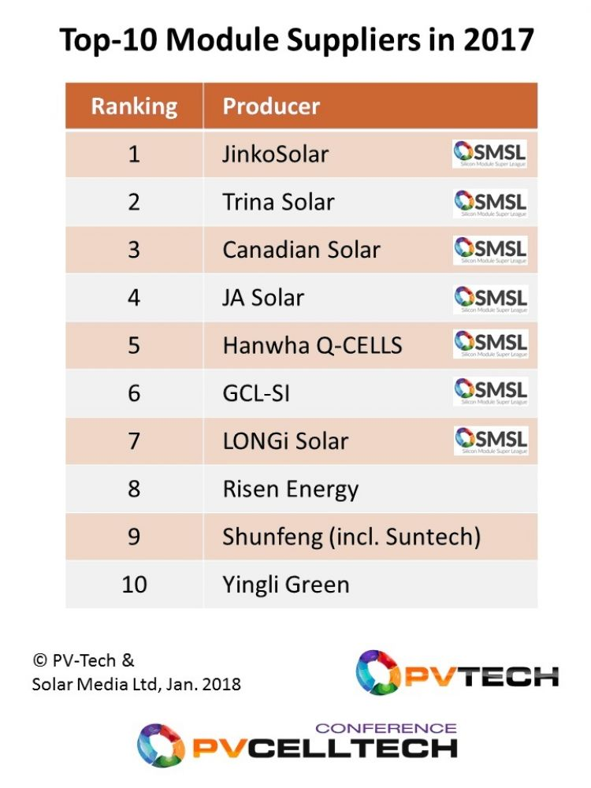
Juwi Solar | Energy the only new entrant in 2017.
Applied Materials
Yingli Green Energy |  | FSLR | First Solar
Sharp Electronics |  | JKS | Jinko Solar
 |  | TSL | Trina Solar
 |  | CSIQ | Canadian Solar
 |  | JASO | JA Solar
 |  | HQCL | Hanwha Q Cells
 |  | YGE | Yingi Green
 |  | 1165.HK | Sunfeng
 |  | 300118.SZ | Risen Energy
 |  | 601012.SS | Longi Solar

