Private Accretion Dilution
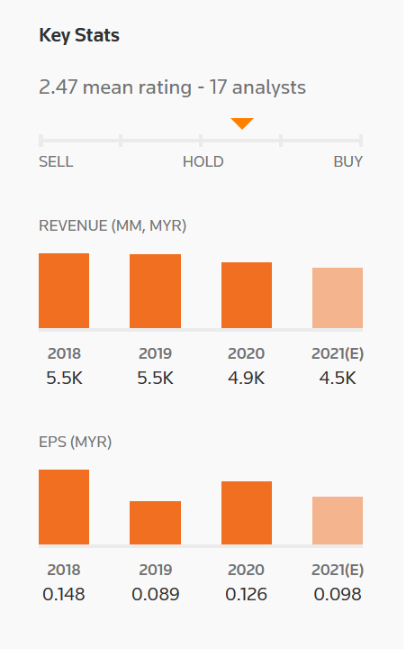
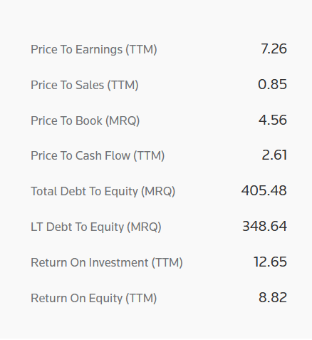
s |  |  |  |  |  | 2020 | 2021 | 2022 | 2023 | 2024 | 2025

 | Assumptions
 |  | Acquiring Company
 |  |  | Astro EPS |  |  | 0.126 | 0.098 | 0.11 | 0.13 | 0.132 | 0.132
 |  |  | Shares |  | 5,214.00 | 5,214.00 | 5,214.00 | 5,214.00 | 5,214.00 | 5,214.00 | 5,214.00
 |  |  | Earnings |  |  | 656.96 | 510.97 | 573.54 | 677.82 | 688.25 | 688.25

 |  | Target Company
 |  |  | Cash-free/ Debt-free value | 500
 |  |  | ROIC | 20%
 |  |  | Growth | 4%
 |  |  | Depreciation | 15%

 |  | Acquisition Assumptions - Target
 |  |  | Enterprise Value | 500
 |  |  | Debt Financing | 100
 |  |  | Equity Financing | 400

 |  |  | Astro Stock Price | 0.76
 |  |  | Market Cap | 3,962.64
 |  |  | Shares Issued | 526.32
 |  |  | Interest Rate | 5%

 | New Investment Cash Flows
 |  |  | Investment - Invested Capital | 4% | 500.00 | 520.00 | 540.80 | 562.43 | 584.93 | 608.33 | 632.66
 |  |  | Depreciation | 15% |  | 75.00 | 78.00 | 81.12 | 84.36 | 87.74 | 91.25
 |  |  | Increase in Investment |  |  | 20.00 | 20.80 | 21.63 | 22.50 | 23.40 | 24.33
 |  |  | Capital Expenditure |  |  | 95.00 | 98.80 | 102.75 | 106.86 | 111.14 | 115.58

 |  |  | Net Operating Profit AT | 20% |  | 104.00 | 108.16 | 112.49 | 116.99 | 121.67 | 126.53

 |  | New Debt
 |  |  | Opening Debt |  |  | 100.00 | 120.00 | 140.80 | 162.43 | 184.93 | 208.33
 |  |  | New Debt |  |  | 20.00 | 20.80 | 21.63 | 22.50 | 23.40 | 24.33
 |  |  | Closing Balance |  | 100.00 | 120.00 | 140.80 | 162.43 | 184.93 | 208.33 | 232.66
 |  |  | Interest | 5% |  | 5.00 | 6.00 | 7.04 | 8.12 | 9.25 | 10.42

 |  |  | New Earnings |  |  | 99.00 | 102.16 | 105.45 | 108.86 | 112.42 | 116.12

 | Consolidated
 |  |  | Existing Earnings |  |  | 656.96 | 510.97 | 573.54 | 677.82 | 688.25 | 688.25
 |  |  | New Earnings |  |  | 99.00 | 102.16 | 105.45 | 108.86 | 112.42 | 116.12
 |  |  | Total Earnings |  |  | 755.96 | 613.13 | 678.99 | 786.68 | 800.67 | 804.36

 |  |  | Existing Shares | 5,214
 |  |  | New Shares | 526
 |  |  | Total Shares | 5,740 |  | 5,740 | 5,740 | 5,740 | 5,740 | 5,740 | 5,740

 |  |  | Consolidate EPS |  |  | 0.132 | 0.107 | 0.118 | 0.137 | 0.139 | 0.140
 |  |  | Acquirer Existing EPS |  |  | 0.126 | 0.098 | 0.110 | 0.130 | 0.132 | 0.132

 |  |  |  |  |  | 2020 | 2021 | 2022 | 2023 | 2024 | 2025
 |  |  | Accrecition/Dilution |  |  | 0.006 | 0.009 | 0.008 | 0.007 | 0.007 | 0.008

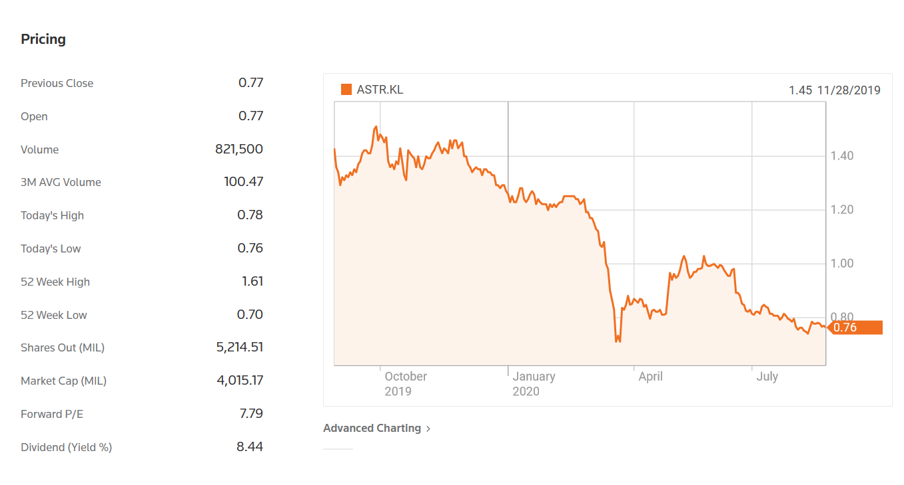
 |  |  |  | https://pitchbook.com/profiles/company/109061-11#stock
 |  |  |  | https://pitchbook.com/profiles/company/109061-11#stock
 |  |  |  | https://www.reuters.com/companies/ASTR.KL

Private Accretion Exercise
s |  |  |  |  |  | 2020 | 2021 | 2022 | 2023 | 2024 | 2025

 | Assumptions
 |  | Acquiring Company
 |  |  | Astro EPS |  |  | 0.126 | 0.098 | 0.11 | 0.13 | 0.132 | 0.132
 |  |  | Shares |  | 5,214.00
 |  |  | Earnings

 |  | Target Company
 |  |  | Cash-free/ Debt-free value | 500
 |  |  | ROIC | 20%
 |  |  | Growth | 4%
 |  |  | Depreciation | 15%

 |  | Acquisition Assumptions - Target
 |  |  | Enterprise Value | 500
 |  |  | Debt Financing | 100
 |  |  | Equity Financing

 |  |  | Astro Stock Price | 0.76
 |  |  | Market Cap | 3,962.64
 |  |  | Shares Issued
 |  |  | Interest Rate | 5%

 | New Investment Cash Flows
 |  |  | Investment - Invested Capital | 4% | 500.00 | 520.00 | 540.80 | 562.43 | 584.93 | 608.33 | 632.66
 |  |  | Depreciation | 15% |  | 75.00 | 78.00 | 81.12 | 84.36 | 87.74 | 91.25
 |  |  | Increase in Investment |  |  | 20.00 | 20.80 | 21.63 | 22.50 | 23.40 | 24.33
 |  |  | Capital Expenditure |  |  | 95.00 | 98.80 | 102.75 | 106.86 | 111.14 | 115.58

 |  |  | Net Operating Profit AT | 20%

 |  | New Debt
 |  |  | Opening Debt |  |  | 100.00 | 120.00 | 140.80 | 162.43 | 184.93 | 208.33
 |  |  | New Debt |  |  | 20.00 | 20.80 | 21.63 | 22.50 | 23.40 | 24.33
 |  |  | Closing Balance |  | 100.00 | 120.00 | 140.80 | 162.43 | 184.93 | 208.33 | 232.66
 |  |  | Interest | 5% |  | 5.00 | 6.00 | 7.04 | 8.12 | 9.25 | 10.42

 |  |  | New Earnings

 | Consolidated
 |  |  | Existing Earnings
 |  |  | New Earnings
 |  |  | Total Earnings

 |  |  | Existing Shares | 5,214
 |  |  | New Shares | -
 |  |  | Total Shares | 5,214

 |  |  | Consolidate EPS
 |  |  | Acquirer Existing EPS |  |  | 0.126 | 0.098 | 0.110 | 0.130 | 0.132 | 0.132

 |  |  |  |  |  | 2020 | 2021 | 2022 | 2023 | 2024 | 2025
 |  |  | Accrecition/Dilution |  |  | (0.126) | (0.098) | (0.110) | (0.130) | (0.132) | (0.132)

 |  |  |  | https://pitchbook.com/profiles/company/109061-11#stock
 |  |  |  | https://pitchbook.com/profiles/company/109061-11#stock
 |  |  |  | https://www.reuters.com/companies/ASTR.KL

