Completed Example
 |  | Low | High
 | Target Price + Synergies | 2,000 | 3,000
 | Comparable Transactions - P/E | 2,200 | 2,900
 | Comparable Transactions - EV/EBITDA | 1,800 | 2,700
 | DCF Plus Synergies | 1,800 | 3,200
 | LBO Simulation with Target IRR | 2,200 | 3,300
 | EPS Accretion | 2,100 | 2,800

Step 1: Add Increment
 |  | Low Label | Increment | High Label
 | Target Price + Synergies | 2,000 | 1,000 | 3,000
 | Comparable Transactions - P/E | 2,200 | 700 | 2,900
 | Comparable Transactions - EV/EBITDA | 1,800 | 900 | 2,700
 | DCF Plus Synergies | 1,800 | 1,400 | 3,200
 | LBO Simulation with Target IRR | 2,200 | 1,100 | 3,300
 | EPS Accretion | 2,100 | 700 | 2,800

Step 2: Alt F1 for stacked column

Step 3 and 4: Add the Labels

Step 5: No Fill on the Data Labels

Step 6: Format the Graph

Football Field Chart
Offer Price -2,400

Step By Step
 |  |  | Low | High
 | DCF Valuation - Equity Cash Flow |  | 38,000 | 49,400 |  | Comments: Discount Rates and Merchant Prices are a Big Issue |  | 76 | 500 | 38000
 | DCF Valuation - FCF |  | 32,300 | 54,340 |  | Comments: Valuation of MSET Required
 | Risk Neutral Valuation |  | 39,900 | 51,870 |  | Comments: Use Futures Market to Lock into Pricing
 | EV/EBITDA Multiple |  | 37,000 | 45,500 |  | Comments: Use simple multiple not accounting for age from comprables
 | Yield Co Simulation |  | 38,000 | 47,000 |  | Comments: Examine comparables

Step 1: Separate

 | DCF Valuation - Equity Cash Flow |  | 38,000 | 11,400 | 49,400
 | DCF Valuation - FCF |  | 32,300 | 22,040 | 54,340
 | Risk Neutral Valuation |  | 39,900 | 11,970 | 51,870
 | EV/EBITDA Multiple |  | 37,000 | 8,500 | 45,500
 | Yield Co Simulation |  | 38,000 | 9,000 | 47,000

DCF Valuation - Equity Cash Flow |  |  | 38,000 | 11,400 | 49,400
DCF Valuation - FCF |  |  | 32,300 | 22,040 | 54,340
Risk Neutral Valuation |  |  | 39,900 | 11,970 | 51,870
EV/EBITDA Multiple |  |  | 37,000 | 8,500 | 45,500
Yield Co Simulation |  |  | 38,000 | 9,000 | 47,000
Step 2: Bar Chart

 |  |  |  |  |  |  | Note: You may have to switch

Step 3: No-Fill on the Top and Bottom
DCF Valuation - Equity Cash Flow |  |  | 38,000 | 11,400 | 49,400
DCF Valuation - FCF |  |  | 32,300 | 22,040 | 54,340
Risk Neutral Valuation |  |  | 39,900 | 11,970 | 51,870
EV/EBITDA Multiple |  |  | 37,000 | 8,500 | 45,500
Yield Co Simulation |  |  | 38,000 | 9,000 | 47,000

Step 4: Data Labels on Blanks
DCF Valuation - Equity Cash Flow |  |  | 38,000 | 11,400 | 49,400
DCF Valuation - FCF |  |  | 32,300 | 22,040 | 54,340
Risk Neutral Valuation |  |  | 39,900 | 11,970 | 51,870
EV/EBITDA Multiple |  |  | 37,000 | 8,500 | 45,500
Yield Co Simulation |  |  | 38,000 | 9,000 | 47,000

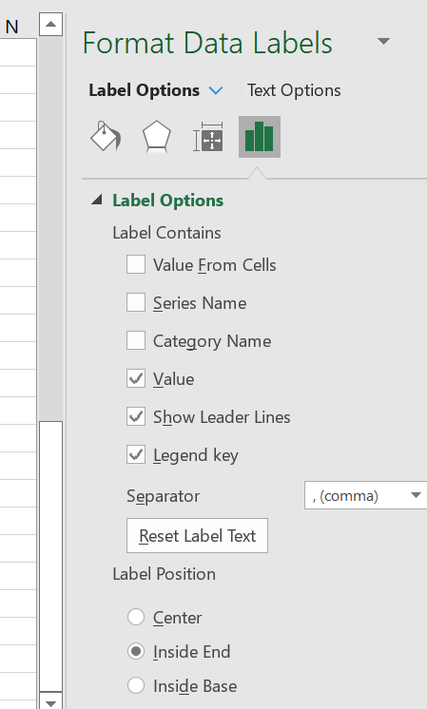

DCF Valuation - Equity Cash Flow |  |  | 38,000 | 11,400 | 49,400
DCF Valuation - FCF |  |  | 32,300 | 22,040 | 54,340
Risk Neutral Valuation |  |  | 39,900 | 11,970 | 51,870
EV/EBITDA Multiple |  |  | 37,000 | 8,500 | 45,500
Yield Co Simulation |  |  | 38,000 | 9,000 | 47,000
Step 5: Other Data Labels |  | v

3.01 - Football Field
Inputs
Football Field Diagram
 |  |  | Value
 |  |  | Low | High
 |  | Trading Comparables | 120 | 170
 |  | Precedent Transactions | 150 | 180
 |  | DCF | 125 | 175
 |  | LBO | 175 | 225
 |  | Premium(s) - Other Tx | 130 | 150

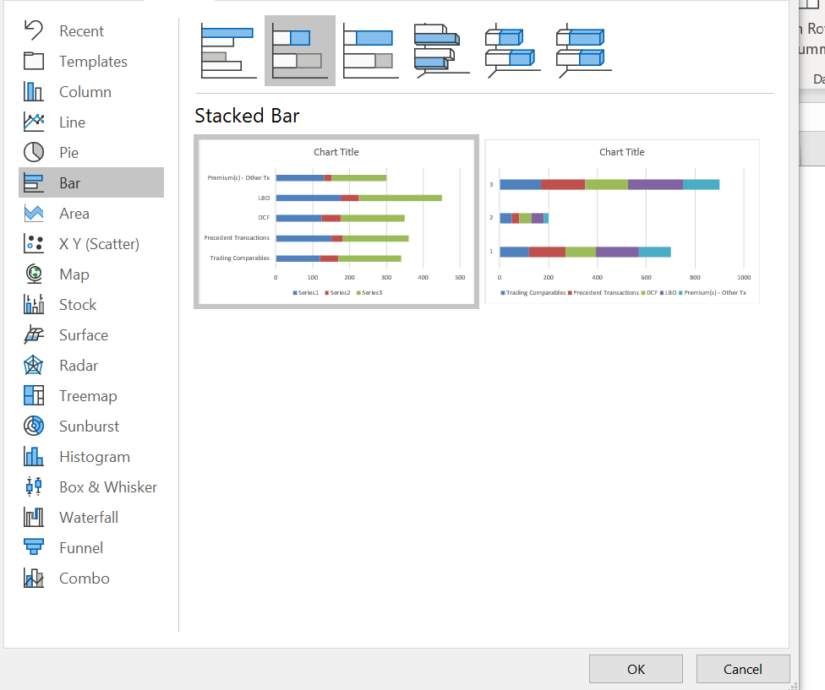
 |  |  | Low | High
 |  | Trading Comparables | 120 | 170
 |  | Precedent Transactions | 150 | 180
 |  | DCF | 125 | 175
 |  | LBO | 175 | 225
 |  | Premium(s) - Other Tx | 130 | 150

 |  |  | Low | High-Low Increment | High for Label
 |  | Trading Comparables | 120 | 50 | 170
 |  | Precedent Transactions | 150 | 30 | 180
 |  | DCF | 125 | 50 | 175
 |  | LBO | 175 | 50 | 225
 |  | Premium(s) - Other Tx | 130 | 20 | 150

 | Step2: Make chart with Alt F1; Change type to Bars - No Adjustments

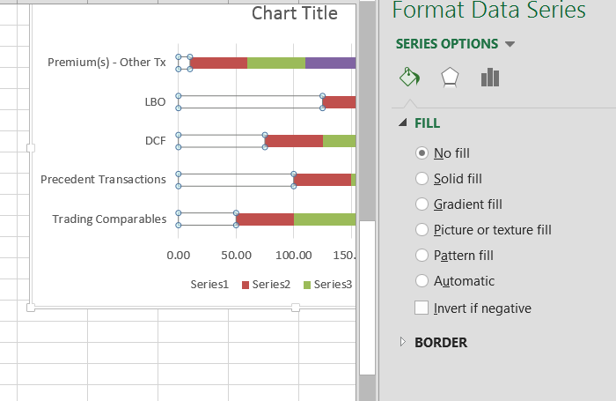

 |  | Step 4: Remove Fill from Spaces; Double Click on Labels |  |  |  |  |  |  |  | The trikyiest part is to get the labels

 |  |  |  |  |  |  |  |  |  | You have to do this one by one and click on each label

 |  |  |  |  |  |  |  |  |  | Once you have ONE label selected, then use the = sign to link to the values

 |  |  |  |  |  |  |  |  |  | Repeat the processs

 |  |  |  |  |  |  |  |  |  | The good news is you only have to do this one time

 |  |  | Low | High |  | Low | S1 | High | S2 | High | Low
 |  | Trading Comparables | 100 | 150 | Trading Comparables | 100 | 40.00 | 50 | 40.00 | 150 | 120
 |  | Precedent Transactions | 150 | 200 | Precedent Transactions | 150 | 40.00 | 50 | 40.00 | 150 | 120
 |  | DCF | 125 | 175 | DCF | 125 | 40.00 | 50 | 40.00 | 150 | 120
 |  | LBO | 175 | 225 | LBO | 175 | 40.00 | 50 | 40.00 | 150 | 120
 |  | Premium(s) - Other Tx | 60 | 110 | Premium(s) - Other Tx | 60 | 40.00 | 50 | 40.00 | 150 | 120

