Alpha
Height | Average Wind Speed | A-Parameter | k-Parameter | Brutto-wind-energie [kWh/m²] | Yield | Height Ratio | Wind Speed Ratio | Log of Height Ratio | Log of Height Ratio | Implied Alpha | 10 Meter Speed | Check of Wind Speed
5 | 3.35 | 3.70 | 1.65 | 484 | 4,254
10 | 3.92 | 4.40 | 1.74 | 724 | 6,497 | 1.00 | 1.00 | - | - | FALSE |  |  | v2/v1 =[z2/z1]^ a
15 | 4.26 | 4.80 | 1.79 | 896 | 8,026 | 1.50 | 1.09 | 0.18 | 0.04 | 0.205 | 3.92 | 4.26
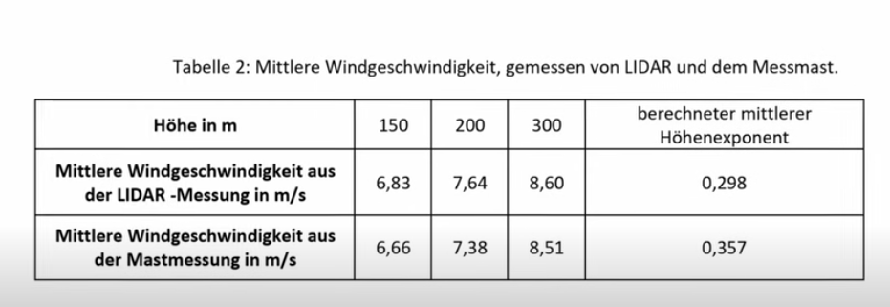
20 | 4.49 | 5.10 | 1.82 | 1,032 | 9,182 | 2.00 | 1.15 | 0.30 | 0.06 | 0.196 | 3.92 | 4.49 | log (v2/v1]=a * log(z2/z1)
25 | 4.67 | 5.30 | 1.85 | 1,144 | 10,113 | 2.50 | 1.19 | 0.40 | 0.08 | 0.191 | 3.92 | 4.67 | a =log(v2/v1)/log(z2/z1)
30 | 4.85 | 5.50 | 1.89 | 1,248 | 10,994 | 3.00 | 1.24 | 0.48 | 0.09 | 0.194 | 3.92 | 4.85
35 | 5 | 5.60 | 1.92 | 1,340 | 11,758 | 3.50 | 1.28 | 0.54 | 0.11 | 0.194 | 3.92 | 5.00 | v2 | 6.23
40 | 5.13 | 5.80 | 1.96 | 1,423 | 12,437 | 4.00 | 1.31 | 0.60 | 0.12 | 0.194 | 3.92 | 5.13 | v1 | 3.92
45 | 5.25 | 5.90 | 1.98 | 1,498 | 13,050 | 4.50 | 1.34 | 0.65 | 0.13 | 0.194 | 3.92 | 5.25
50 | 5.35 | 6.00 | 2.01 | 1,568 | 13,606 | 5.00 | 1.36 | 0.70 | 0.14 | 0.193 | 3.92 | 5.35 | z2 | 100
55 | 5.47 | 6.20 | 2.03 | 1,658 | 14,302 | 5.50 | 1.40 | 0.74 | 0.14 | 0.195 | 3.92 | 5.47 | z1 | 10
60 | 5.58 | 6.30 | 2.05 | 1,740 | 14,948 | 6.00 | 1.42 | 0.78 | 0.15 | 0.197 | 3.92 | 5.58
65 | 5.68 | 6.40 | 2.07 | 1,820 | 15,550 | 6.50 | 1.45 | 0.81 | 0.16 | 0.198 | 3.92 | 5.68 | z2/z1 | 10 | =S12/S13
70 | 5.78 | 6.50 | 2.09 | 1,897 | 16,112 | 7.00 | 1.47 | 0.85 | 0.17 | 0.200 | 3.92 | 5.78 | LN | 2.302585093 | =LN(S15) | z2 | 300
75 | 5.86 | 6.60 | 2.1 | 1,970 | 16,640 | 7.50 | 1.49 | 0.88 | 0.17 | 0.200 | 3.92 | 5.86 | Log 10 | 1 | =LOG10(S15) | z1 | 150
80 | 5.95 | 6.70 | 2.12 | 2,039 | 17,138 | 8.00 | 1.52 | 0.90 | 0.18 | 0.201 | 3.92 | 5.95 | Log | 1 | =LOG(S15) | z2/z1 | 2
85 | 6.02 | 6.80 | 2.13 | 2,103 | 17,607 | 8.50 | 1.54 | 0.93 | 0.19 | 0.200 | 3.92 | 6.02
90 | 6.09 | 6.90 | 2.15 | 2,168 | 18,054 | 9.00 | 1.55 | 0.95 | 0.19 | 0.201 | 3.92 | 6.09 | v2/v1 | 1.59 | =S9/S10
95 | 6.16 | 7.00 | 2.16 | 2,230 | 18,476 | 9.50 | 1.57 | 0.98 | 0.20 | 0.201 | 3.92 | 6.16 | LN | 0.463284679 | =LN(S20) | v2 | 8.6
100 | 6.23 | 7.00 | 2.17 | 2,289 | 18,881 | 10.00 | 1.59 | 1.00 | 0.20 | 0.201 | 3.92 | 6.23 | Log 10 | 0.20120197964 | =LOG10(S20) | v1 | 6.83
105 | 6.32 | 7.10 | 2.17 | 2,390 | 19,465 | 10.50 | 1.61 | 1.02 | 0.21 | 0.203 | 3.92 | 6.32 | Log | 0.20120197964 | =LOG(S20) | v2/v1 | 1.26
110 | 6.4 | 7.20 | 2.16 | 2,489 | 20,016 | 11.00 | 1.63 | 1.04 | 0.21 | 0.204 | 3.92 | 6.40
115 | 6.48 | 7.30 | 2.16 | 2,587 | 20,541 | 11.50 | 1.65 | 1.06 | 0.22 | 0.206 | 3.92 | 6.48 | alpha ln | 0.20120197964 | =S21/S16 | ln(z2/z1) | 0.69314718056
120 | 6.56 | 7.40 | 2.15 | 2,683 | 21,040 | 12.00 | 1.67 | 1.08 | 0.22 | 0.207 | 3.92 | 6.56 | alpha log | 0.20120197964 | =S22/S17 | ln(v2/v1) | 0.23043752968
125 | 6.63 | 7.50 | 2.15 | 2,773 | 21,513 | 12.50 | 1.69 | 1.10 | 0.23 | 0.208 | 3.92 | 6.63
130 | 6.7 | 7.60 | 2.15 | 2,871 | 21,964 | 13.00 | 1.71 | 1.11 | 0.23 | 0.209 | 3.92 | 6.70 | z2/z1 ^ a | 1.5892857143 | =S15^S25 | alpha | 0.3324510813
135 | 6.77 | 7.60 | 2.15 | 2,956 | 22,388 | 13.50 | 1.73 | 1.13 | 0.24 | 0.210 | 3.92 | 6.77 | z2/z1 ^ a | 1.5892857143 | =S15^S26
140 | 6.83 | 7.70 | 2.14 | 3,045 | 22,790 | 14.00 | 1.74 | 1.15 | 0.24 | 0.210 | 3.92 | 6.83
145 | 6.89 | 7.80 | 2.14 | 3,131 | 23,174 | 14.50 | 1.76 | 1.16 | 0.24 | 0.211 | 3.92 | 6.89 | Result | 6.23 | =S29*S10
150 | 6.95 | 7.90 | 2.14 | 3,212 | 23,543 | 15.00 | 1.77 | 1.18 | 0.25 | 0.211 | 3.92 | 6.95
155 | 7.01 | 7.90 | 2.13 | 3,297 | 23,898 | 15.50 | 1.79 | 1.19 | 0.25 | 0.212 | 3.92 | 7.01
160 | 7.07 | 8.00 | 2.13 | 3,375 | 24,238 | 16.00 | 1.80 | 1.20 | 0.26 | 0.213 | 3.92 | 7.07
165 | 7.12 | 8.00 | 2.13 | 3,457 | 24,565 | 16.50 | 1.82 | 1.22 | 0.26 | 0.213 | 3.92 | 7.12
170 | 7.18 | 8.10 | 2.13 | 3,533 | 24,881 | 17.00 | 1.83 | 1.23 | 0.26 | 0.214 | 3.92 | 7.18
175 | 7.23 | 8.20 | 2.13 | 3,613 | 25,182 | 17.50 | 1.84 | 1.24 | 0.27 | 0.214 | 3.92 | 7.23
180 | 7.28 | 8.20 | 2.13 | 3,686 | 25,475 | 18.00 | 1.86 | 1.26 | 0.27 | 0.214 | 3.92 | 7.28
185 | 7.32 | 8.30 | 2.12 | 3,763 | 25,754 | 18.50 | 1.87 | 1.27 | 0.27 | 0.214 | 3.92 | 7.32
190 | 7.37 | 8.30 | 2.12 | 3,834 | 26,026 | 19.00 | 1.88 | 1.28 | 0.27 | 0.214 | 3.92 | 7.37
195 | 7.42 | 8.40 | 2.12 | 3,903 | 26,286 | 19.50 | 1.89 | 1.29 | 0.28 | 0.215 | 3.92 | 7.42
200 | 7.46 | 8.40 | 2.12 | 3,978 | 26,538 | 20.00 | 1.90 | 1.30 | 0.28 | 0.215 | 3.92 | 7.46

Data Source
